Sheet1
Name: | Zifei Wu
Building a Zero Dimensional Climate Model |  |  |  | HELP
CONSTANTS
S0 | 1376.15136 | Solar Constant | Grading Criteria
Planetary Albedo (α0) | 0.31 | 0.31 | Parts - Points
Boltzmann ε(1) = σ | 5.67E-08 | Boltzmann constant for a black body ε == 1 | Per Question
Tuning Constant | 0.6085 | 0.6085 | i.e. (10/12) * 5
CURRENT STEADY STATE SOLUTION
(1376.15136/4)(1-0.31)= (0.6085)(5.67x10^-8)(T^4)
344 (0.69) = 0.000000035 (T^4)
237.36/((0.6085)(5.67x10^-8)) = T^4
6879611152 = T^4
T = 288
Boltzmann * tuning constant (BT = ε * σ) | 3.450195E-08 | Boltzmann - Tuning Constant for non-blackbodies (BT) | Yellow - Graded
PROBLEM 1 - SOLAR FORCING |  |  | 12 parts (5 points)
S1 = S0 + (S0*0.01) | 1389.9128736 | Increase Solar Constant
S2 = S0 - (S0*0.01) | 1362.3898464 | Decrease Solar Constant
NORMAL |  | NORMAL
Fe = S0/4 * (1-α0) | 237.3861096 | Calculating Flux Density (Longwave emitted)
Fe/BT | 6880367909.6 | Before the 4th root
T(K) | 288.00691512 | Earths Temperature

ADD ENERGY |  | ADD ENERGY
Fe = S1/4 * (1-α0) | 239.7599707 | Calculating Flux Density (Longwave emitted) |  | A body that does not absorb all incident radiation (sometimes known as a grey body) emits less total energy than a black body and is characterized by an emissivity, ε < 1:
Fe/BT | 6949171588.7 | Before the 4th root
T(K) | 288.72424798 | Earths Temperature
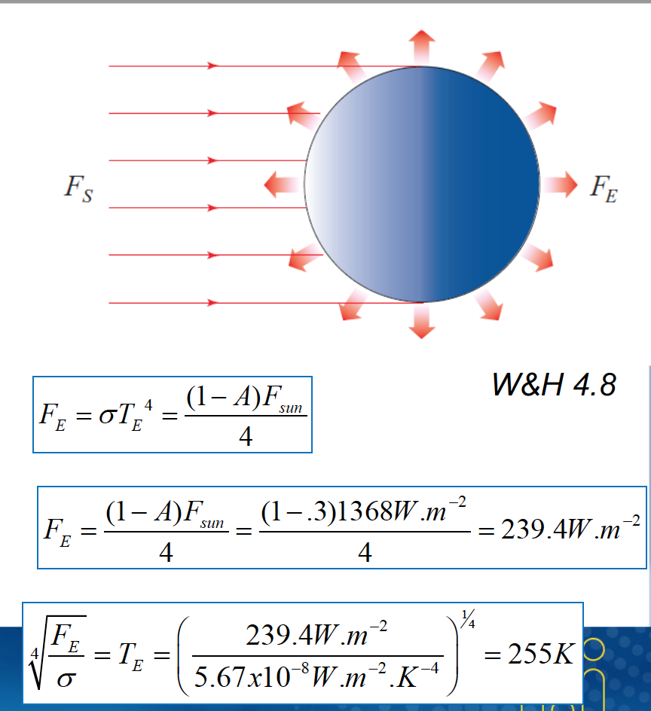
Change | 0.71733286587 | Change from Normal (A - N)
Beta (round to the hundreth) | 0.717332866/1%change | Sensitivity

SUBTRACT ENERGY |  | SUBTRACT ENERGY
Fe = S2/4 * (1-α0) | 235.0122485 | Calculating Flux Density (Longwave emitted)
Fe/BT | 6811564230.5 | Before the 4th root
T(K) | 287.28418191 | Earths Temperature
Change | -0.72273321211 | Change from Normal (S - N)
Beta (round to the hundreth) | (-0.722733212)/1%change | Sensitivity

PROBLEM 2 - TERRESTRIAL FORCING PART 1 |  |  | 10 parts (5 points)
α1 = α0 + (α0*0.01) | 0.3131 | 1% Increase
α2 = α0 - (α0*0.01) | 0.3069 | 1% Decrease

NORMAL |  | NORMAL
Fe = S0/4 * (1-α0) | 237.3861096 | Calculating Flux Density (Longwave emitted)
Fe/BT | 6880367909.6 | Before the 4th root
T(K) | 288.00691512 | Earths Temperature

HIGHER ALBEDO |  | HIGHER ALBEDO
Fe = S0/4 * (1-α1) | 236.3195923 | Calculating Flux Density (Longwave emitted)
Fe/BT | 6849456111.8 | Before the 4th root
T(K) | 287.68288265 | Earths Temperature
Change | -0.32403246424 | Change from normal
Beta (round to the hundreth) | (-0.32)/1%change | Sensitivity

LOWER ALBEDO |  | LOWER ALBEDO
Fe = S0/4 * (1-α2) | 238.4526269 | Calculating Flux Density (Longwave emitted)
Fe/BT | 6911279707.5 | Before the 4th root
T(K) | 288.32985757 | Earths Temperature
Change | 0.32294244815 | Change from normal
Beta (round to the hundreth) | (0.322942448) / 1% change | Sensitivity

PROBLEM 3 - TERRESTRIAL FORCING PART 2 |  |  | 10 parts (5 points)
Tun1= Tun0 +(Tun0* 0.01) | 0.614585 | Increase Tuning Constant
Tun2= Tun0 - (Tun0*0.01) | 0.602415 | Decrease Tuning Constant

NORMAL |  | NORMAL - Blackbody
Fe = S0/4 * (1-α0) | 237.3861096 | Calculating Flux Density (Longwave emitted)
Fe/BT | 6880367909.6 | Before the 4th root
T(K) | 288.00691512 | Earths Temperature

HIGHER TUNING |  | HIGHER TUNING
Fe = S0/4 * (1-α0) | 237.3861096 | Calculating Flux Density (Longwave emitted)
BT1 = Boltzman * Tun1 | 3.48469695E-08 | New Boltzmann Tuning
Fe/BT1 | 6812245455.1 | Before the 4th root
T(K) | 287.29136446 | Earths Temperature
Change | -0.71555065864 | Change from normal
Beta (round to the hundreth) | (-0.715550659) / 1% change | Sensitivity

LOWER TUNING |  | LOWER TUNING
Fe = S0/4 * (1-α0) | 237.3861096 | Calculating Flux Density (Longwave emitted)
BT2 = Boltzman * Tun2 | 3.41569305E-08 | New Boltzmann Tuning
Fe/BT2 | 6949866575.4 | Before the 4th root
T(K) | 288.73146654 | Earths Temperature
Change | 0.72455142323 | Change from normal
Beta (round to the hundreth) | (0.724551423) / 1% change | Sensitivity
WRITE NARRATIVE IN SEPARETE WORD DOCUMENT (10 Points):

Write a brief (several paragraph) discussion that outlines your findings. Include in your discussion the results you obtained and an assessment of how important you think each of these terms are likely to be on the steady state surface temperature of the Earth. Keep in mind that we have varied eccentricity over its effective range, but the solar constant, albedo, and emissivity are varying only by 1%. Connect your discussion to what you've learned in lecture using proper terminology

